Indices

 | Iraq Stock Exchange
 | Bulletin No (104)
 | ISX Trading Indices of Wednesday 17/6/2026

 | Traded Volume and OTC |  | 8,358,239,443 |  | Traded Value and OTC |  | 9,102,088,900 |  | Traders | 1371
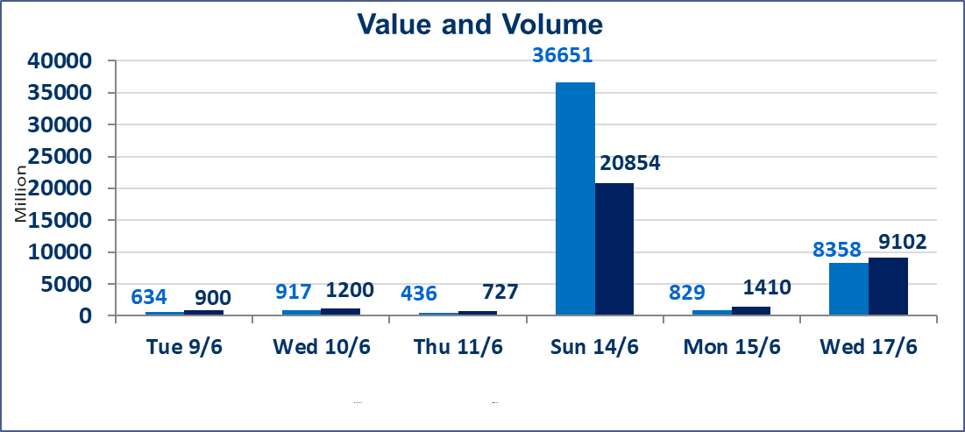
 | ISX Index 60 |  |  | 1003.23 | ISX Index 15 |  |  | 1279.74
 | Previous ISX Index60 |  |  | 976.09 | Previous ISX Index15 |  |  | 1258.38
 | Change % |  |  | 2.78 | Change % |  |  | 1.70
 | Change |  |  | 27.14 | Change |  |  | 21.36

 | Listed Companies | 103 | OTC | 14 | Non Traded listed | 34 | OTC | 14
 | Traded Listed Companies | 52 | OTC | 0 | Higher Companies |  |  | 25
 | GAM Companies |  |  | 6 | Lower Companies |  |  | 4
 | Suspended Companies |  |  | 11
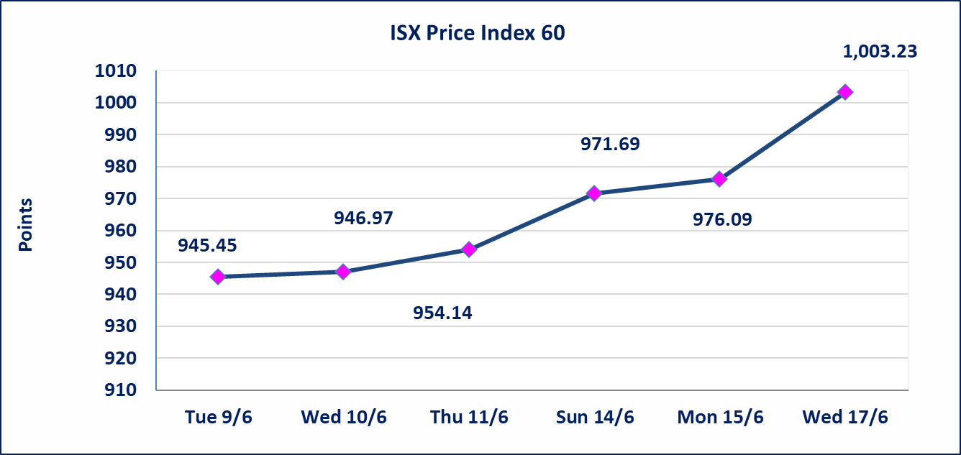
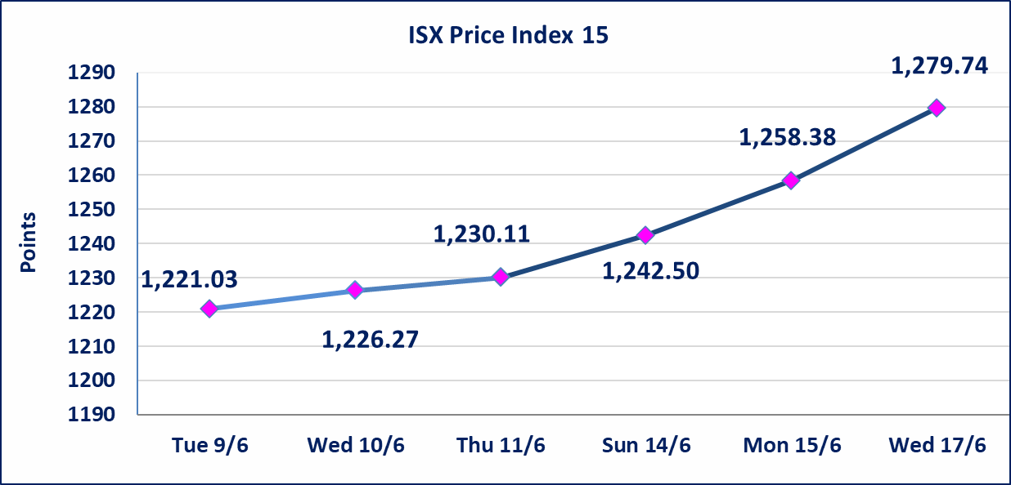

 | special orders | Elaf Brokerage Company executed a deliberate cross order on the shares of Al Qurtas Bank Company with a number of shares (7,760,000,000) shares with a value of (7,760,000,000) dinars, during the additional session time (after 1 pm) in accordance with the procedures for executing large transactions.
Al-Alwiya P.O . 3607 Mobile: 07711211522 - 07270094594 - 07834000034 E-mail: info-isx@isx-iq.net Web site:www.isx-iq.net

Top 5
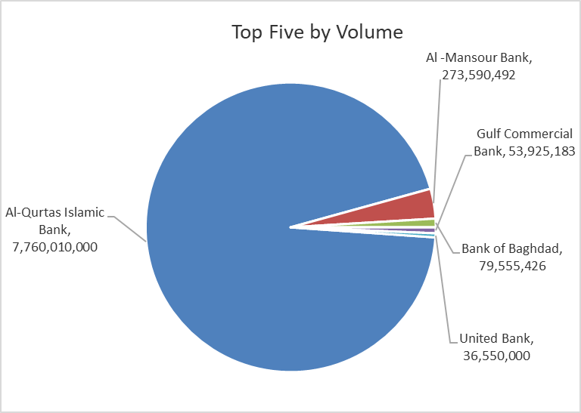
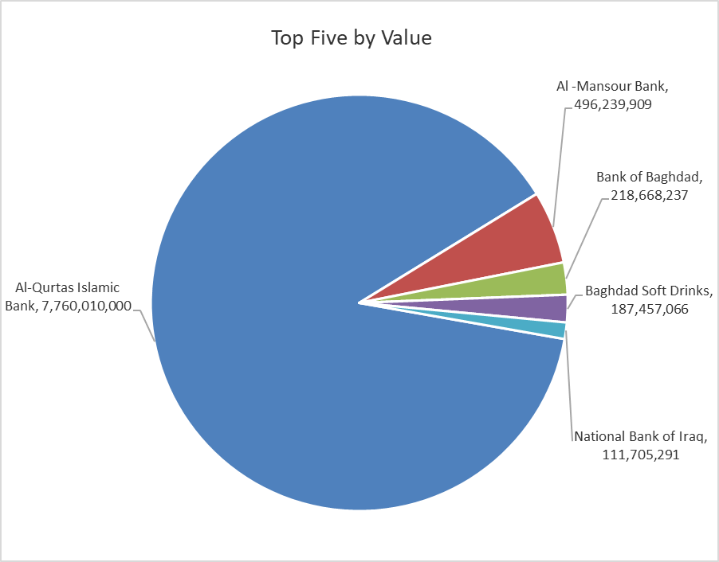

ISX top ganing and losing companies
Wednesday 17/6/2026
 | Gainers |  |  |  | Losers
 | Company Name | Closing Price | Change (%) | Traded Volume | Company Name | Closing Price | Change (%) | Traded Volume
 | United Bank | 0.060 | 20.00 | 36,550,000 | Mansour Hotel | 60.000 | -3.23 | 18,687
 | Mosul Bank For Investment | 0.140 | 7.69 | 1,078,102 | Al-Khatam Telecom | 4.150 | -2.12 | 2,542,996
 | Bank of Baghdad | 2.830 | 6.79 | 79,555,426 | Al-Kindi of Veterinary Vaccines | 2.740 | -1.79 | 397,014
 | Kharkh Tour Amuzement City | 4.800 | 6.67 | 246,979 | Commercial Islamic Bank of Iraq | 0.660 | -1.49 | 9,500,000
 | The Light Industries | 1.330 | 6.40 | 6,680,121
 | The most active companies in term of traded volume and value

 | Traded Volume |  |  |  | Traded Value
 | Company Name | Closing Price | Change (%) | Traded Volume | Company Name | Closing Price | Change (%) | Traded Value
 | Al-Qurtas Islamic Bank | 1.000 | 0.00 | 7,760,010,000 | Al-Qurtas Islamic Bank | 1.000 | 0.00 | 7,760,010,000
 | Al -Mansour Bank | 1.840 | 1.66 | 273,590,492 | Al -Mansour Bank | 1.840 | 1.66 | 496,239,909
 | Bank of Baghdad | 2.830 | 6.79 | 79,555,426 | Bank of Baghdad | 2.830 | 6.79 | 218,668,237
 | Gulf Commercial Bank | 0.360 | 2.86 | 53,925,183 | Baghdad Soft Drinks | 6.900 | 3.92 | 187,457,066
 | United Bank | 0.060 | 20.00 | 36,550,000 | National Bank of Iraq | 4.040 | 0.50 | 111,705,291

Non Iraqis

Iraq Stock Exchange
Non Iraqis' Bulletin Wednesday Jun 17 2026
Regular Market

Non Iraqi Trading of Regular Market (Buy)
Company Names | Code | No.of trades | Traded Shares | Trading Volume
Banks Sector
Bank Of Baghdad | BBOB | 4 | 11,076,725 | 30,350,227
Al-Mansour Bank | BMNS | 40 | 135,397,530 | 246,465,729
Total Bank sector |  | 44 | 146,474,255 | 276,815,956
Grand Total |  | 44 | 146474255 | 276815956

Non Iraqi Trading of Regular Market (Sell)
Company Names | Code | No.of trades | Traded Shares | Trading Volume
Banks Sector
Bank Of Baghdad | BBOB | 2 | 5,000,000 | 14,050,000
National Bank Of Iraq | BNOI | 3 | 1,887,625 | 7,644,881
Total Bank sector |  | 5 | 6,887,625 | 21,694,881
Telecommunication Sector
Al-Khatem Telecoms | TZNI | 11 | 1,500,000 | 6,180,000
Total Telecommunication sector |  | 11 | 1,500,000 | 6,180,000
Grand Total |  | 16 | 8387625 | 27874881

Not Trading Bonds

Iraq Stock Exchange
Wednesday 17/6/2026
Not Trading Bonds Bulletin
Bond type | Publish type | Code | last trading price | immortilize date
Banaa Bonds /Million ID | Second | CB20 | 964,981 | 19/12/2025
Eamar Bonds /Million ID | First | CB30 | 1,001,095 | ــــــــــــــــ
Eamar Bonds /Million ID | Second | CB40 | ــــــــــــــــ | ــــــــــــــــ
Eamar Bonds /500 Thousand ID | Third | CB45 | ــــــــــــــــ | ــــــــــــــــ
Eamar Bonds /Million ID | Third | CB50 | ــــــــــــــــ | ــــــــــــــــ
Injaz Bonds /500 Thousand ID | First | CB55 | ــــــــــــــــ | ــــــــــــــــ
Injaz Bonds /Million ID | First | CB60 | 951,110 | ــــــــــــــــ
Injaz Bonds /500 Thousand ID | Second | CB65 | 511,000
Injaz Bonds /Million ID | Second | CB70 | 965,050 | ــــــــــــــــ
Injaz Bonds /500 Thousand ID | Third | CB75 | ــــــــــــــــ | ــــــــــــــــ
Injaz Bonds /Million ID | Third | CB80 | 978,182 | ــــــــــــــــ
National Bonds/Million ID | First | CB90 | ــــــــــــــــ | ــــــــــــــــ
National Bonds/500 Thousand ID | Second | CB95 | ــــــــــــــــ | ــــــــــــــــ
National Bonds/Million ID | Second | CB100 | ــــــــــــــــ | ــــــــــــــــ

